Sheet1
https://en.wikipedia.org/wiki/List_of_counties_in_Colorado

Counties[edit]

County | FIPS code[2][3] | County seat[4][5] | Est.[6] | Formed from[6] | Etymology[6] | Population[7] | Area[4] | Map
Adams County | 1 | Brighton | 1902-11-15 | Split from Arapahoe County. | Named in honor of Alva Adams, the 5th, 10th, and 14th Governor of the State of Colorado. | 441,603 | 1,182.29 sq mi | 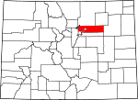
 |  |  |  |  |  |  | (3,062 km2)

Alamosa County | 3 | Alamosa | 1913-03-08 | Split from Costilla County and Conejos County. | Named for the cottonwood trees which grow along the Rio Grande and its tributaries. Alamosa is a Spanish word for a cottonwood grove. | 15,445 | 723.21 sq mi | 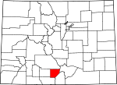
 |  |  |  |  |  |  | (1,873 km2)

Arapahoe County | 5 | Littleton | 1861-11-01 | Created as one of the 17 original counties of the Territory of Colorado. Renamed South Arapahoe County for the five months from November 15, 1902 to April 11, 1903. | Named for predecessor Arapahoe County, Kansas Territory, which in turn was named for the Arapaho Nation of Native Americans. | 572,003 | 804.41 sq mi | 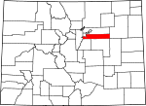
 |  |  |  |  |  |  | (2,083 km2)

Archuleta County | 7 | Pagosa Springs | 1885-04-14 | Split from Conejos County. | Named in honor of Colorado State Senator Antonio D. Archuleta and his father, José Manuel Archuleta. | 12,084 | 1,354.53 sq mi | 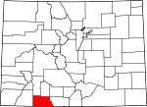
 |  |  |  |  |  |  | (3,508 km2)

Baca County | 9 | Springfield | 1889-04-16 | Split from Las Animas County. | Named in honor of pioneer and Colorado territorial legislator Felipe Baca. | 3,788 | 2,558.48 sq mi | 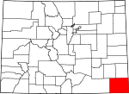
 |  |  |  |  |  |  | (6,626 km2)

Bent County | 11 | Las Animas | 1870-02-11 | Split from Huerfano County and former Cheyenne and Arapaho tribal land. | Named in honor of frontier trader William Bent. | 6,499 | 1,541.07 sq mi | 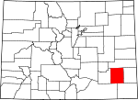
 |  |  |  |  |  |  | (3,991 km2)

Boulder County | 13 | Boulder | 1861-11-01 | Created as one of the 17 original counties of the Territory of Colorado. | Named for the abundance of granite boulders along Boulder Creek. | 294,567 | 740.48 sq mi | 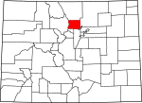
 |  |  |  |  |  |  | (1,918 km2)

City and County of Broomfield | 14 | Broomfield | 2001-11-15 | Split from Boulder, Adams, Jefferson, and Weld counties and reorganized as a consolidated city and county. | Named for the broom corn that was formerly grown in the area. | 55,889 | 33.57 sq mi | 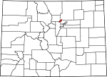
 |  |  |  |  |  |  | (87 km2)

Chaffee County | 15 | Salida | 1879-02-10 | Split from Carbonate County. | Named in honor of Jerome Bunty Chaffee, one of Colorado's first two U.S. Senators from 1876 to 1879. | 17,809 | 1,014.12 sq mi | 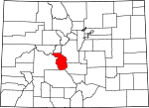
 |  |  |  |  |  |  | (2,627 km2)

Cheyenne County | 17 | Cheyenne Wells | 1889-03-25 | Split from Elbert and Bent counties. | Named for the Cheyenne Nation of Native Americans. | 1,836 | 1,781.90 sq mi | 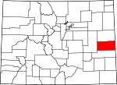
 |  |  |  |  |  |  | (4,615 km2)

Clear Creek County | 19 | Georgetown | 1861-11-01 | Created as one of the 17 original counties of the Territory of Colorado. | Named for Clear Creek which originates in the county. | 9,088 | 396.53 sq mi | 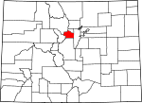
 |  |  |  |  |  |  | (1,027 km2)

Conejos County | 21 | Conejos | 1861-11-01 | Guadalupe County, one of the 17 original counties of the Territory of Colorado, was renamed Conejos County after six days on November 7, 1861. | Named for the cottontail rabbits in the area. Conejos is a Spanish word for rabbits. | 8,256 | 1,290.22 sq mi | 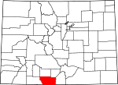
 |  |  |  |  |  |  | (3,342 km2)

Costilla County | 23 | San Luis | 1861-11-01 | Created as one of the 17 original counties of the Territory of Colorado. | Named for the Costilla River. Costilla is a Spanish word meaning either little rib or furring timber. | 3,524 | 1,229.38 sq mi | 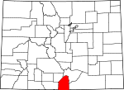
 |  |  |  |  |  |  | (3,184 km2)

Crowley County | 25 | Ordway | 1911-05-29 | Split from Otero County. | Named in honor of Colorado State Senator John H. Crowley. | 5,823 | 800.27 sq mi | 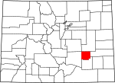
 |  |  |  |  |  |  | (2,073 km2)

Custer County | 27 | Westcliffe | 1877-03-09 | Split from Fremont County. | Named in memory of George Armstrong Custer, (1839 - 1876), the U.S. Army colonel defeated and killed at the Battle of the Little Bighorn. | 4,255 | 739.24 sq mi | 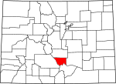
 |  |  |  |  |  |  | (1,915 km2)

Delta County | 29 | Delta | 1883-02-11 | Split from Gunnison County. | Named for the town of Delta located at the delta of the Uncompahgre River. | 30,952 | 1,149.44 sq mi | 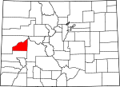
 |  |  |  |  |  |  | (2,977 km2)

City and County of Denver | 31 | Denver | 1902-12-01 | The original Arapahoe County Seat was split from Arapahoe and the newly-created Adams Counties, and reorganized as a consolidated city and county. | Named to curry favor with James W. Denver, Governor of the Territory of Kansas from 1857 to 1859. | 600,158 | 155.66 sq mi | 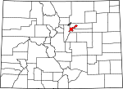
 |  |  |  |  |  |  | (403 km2)

Dolores County | 33 | Dove Creek | 1881-03-04 | Split from Ouray County. | Named for the Dolores River, which was originally named el Rio de Nuestra Senora de los Dolores, which is Spanish for the River of our Lady of Sorrows. | 2,064 | 1,076.93 sq mi | 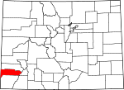
 |  |  |  |  |  |  | (2,789 km2)

Douglas County | 35 | Castle Rock | 1861-11-01 | Created as one of the 17 original counties of the Territory of Colorado. | Named in honor of Stephen Arnold Douglas, (1813 - 1861), U.S. Senator from Illinois from 1847 to 1861. | 285,465 | 842.30 sq mi | 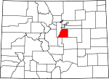
 |  |  |  |  |  |  | (2,182 km2)

Eagle County | 37 | Eagle | 1883-02-11 | Split from Summit County. | Named for the Eagle River which originates in the county. | 52,197 | 1,700.76 sq mi | 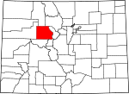
 |  |  |  |  |  |  | (4,405 km2)

El Paso County | 41 | Colorado Springs | 1861-11-01 | Created as one of the 17 original counties of the Territory of Colorado. | Named for Ute Pass, which connects the Great Plains to South Park and was formerly located within the county. El Paso means the pass in Spanish. | 622,263 | 2,128.60 sq mi | 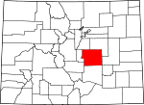
 |  |  |  |  |  |  | (5,513 km2)

Elbert County | 39 | Kiowa | 1874-02-02 | Split from Douglas County. | Named in honor of Samuel Hitt Elbert, the sixth Governor of the Territory of Colorado. | 23,086 | 1,849.08 sq mi | 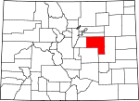
 |  |  |  |  |  |  | (4,789 km2)

Fremont County | 43 | Cañon City | 1861-11-01 | Created as one of the 17 original counties of the Territory of Colorado. | Named in honor of John Charles Frémont (1813 - 1890), the explorer, U.S. Army general, and U.S. Senator from California. | 46,824 | 1,533.09 sq mi | 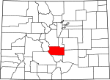
 |  |  |  |  |  |  | (3,971 km2)

Garfield County | 45 | Glenwood Springs | 1883-02-10 | Split from Summit County. | Named in honor of James Abram Garfield (1831 - 1881), the twentieth President of the United States. | 56,389 | 2,958.23 sq mi | 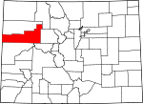
 |  |  |  |  |  |  | (7,662 km2)

Gilpin County | 47 | Central City | 1861-11-01 | Created as one of the 17 original counties of the Territory of Colorado. | Named in honor of William Gilpin, the first Governor of the Territory of Colorado. | 5,441 | 150.15 sq mi | 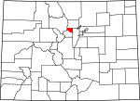
 |  |  |  |  |  |  | (389 km2)

Grand County | 49 | Hot Sulphur Springs | 1874-02-02 | Split from Summit County. | Named for the Grand River which originates in the county. The Grand River was renamed the Colorado River in 1921, but the county retains the original name. | 14,843 | 1,868.53 sq mi | 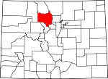
 |  |  |  |  |  |  | (4,839 km2)

Gunnison County | 51 | Gunnison | 1877-03-09 | Split from Lake County. | Named in honor of John Williams Gunnison, the U.S. Army captain who explored the region. | 15,324 | 3,259.22 sq mi | 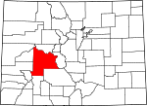
 |  |  |  |  |  |  | (8,441 km2)

Hinsdale County | 53 | Lake City | 1874-02-10 | Split from Lake, Conejos, and Costilla counties. | Named in honor of George Aaron Hinsdale, a Lieutenant Governor of the Territory of Colorado. | 843 | 1,123.35 sq mi | 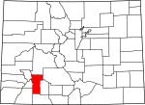
 |  |  |  |  |  |  | (2,909 km2)

Huerfano County | 55 | Walsenburg | 1861-11-01 | Created as one of the 17 original counties of the Territory of Colorado. | Named for Huerfano Butte, a solitary volcanic plug. Huerfano is a Spanish word meaning orphan. | 6,711 | 1,592.37 sq mi | 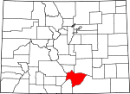
 |  |  |  |  |  |  | (4,124 km2)

Jackson County | 57 | Walden | 1909-05-05 | Split from Larimer County. | Named in honor of Andrew Jackson (1767 - 1845), the seventh President of the United States. | 1,394 | 1,619.75 sq mi | 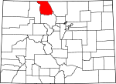
 |  |  |  |  |  |  | (4,195 km2)

Jefferson County | 59 | Golden | 1861-11-01 | Created as one of the 17 original counties of the Territory of Colorado. | Named for its extralegal predecessor county, Jefferson County, Jefferson Territory, which in turn was named in honor of Thomas Jefferson (1743 - 1826), the author of the Declaration of Independence and the third President of the United States. | 534,543 | 772.85 sq mi | 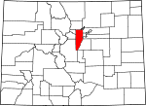
 |  |  |  |  |  |  | (2,002 km2)

Kiowa County | 61 | Eads | 1889-04-11 | Split from Bent County. | Named for the Kiowa Nation of Native Americans. | 1,398 | 1,785.90 sq mi | 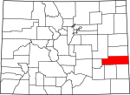
 |  |  |  |  |  |  | (4,625 km2)

Kit Carson County | 63 | Burlington | 1889-04-11 | Split from Elbert County. | Named in honor of Christopher Houston "Kit" Carson, the famous frontier scout and soldier. | 8,270 | 2,162.43 sq mi | 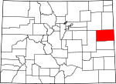
 |  |  |  |  |  |  | (5,601 km2)

La Plata County | 67 | Durango | 1874-02-10 | Split from Lake and Conejos counties. | Named for the many silver deposits in the area. La plata is a Spanish expression for the silver. | 51,334 | 1,700.44 sq mi | 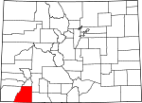
 |  |  |  |  |  |  | (4,404 km2)

Lake County | 65 | Leadville | 1861-11-01 | Created as one of the 17 original counties of the Territory of Colorado. Renamed Carbonate County for the two days from February 8–10, 1879. | Named for the Twin Lakes in the county. | 7,310 | 383.55 sq mi | 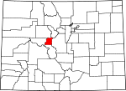
 |  |  |  |  |  |  | (993 km2)

Larimer County | 69 | Fort Collins | 1861-11-01 | Created as one of the 17 original counties of the Territory of Colorado. | Named in honor of William Larimer, a pioneer entrepreneur. | 299,630 | 2,631.75 sq mi | 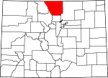
 |  |  |  |  |  |  | (6,816 km2)

Las Animas County | 71 | Trinidad | 1866-02-09 | Split from Huerfano County. | Named for the Purgatoire River, which was originally named el Rio de las Animas Perdidas, which is Spanish for the River of the Souls in Purgatory. | 15,507 | 4,773.27 sq mi | 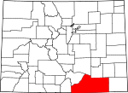
 |  |  |  |  |  |  | (12,363 km2)

Lincoln County | 73 | Hugo | 1889-04-11 | Split from Elbert and Bent counties. | Named in honor of Abraham Lincoln (1809 - 1865), the sixteenth President of the United States. | 5,467 | 2,585.21 sq mi | 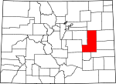
 |  |  |  |  |  |  | (6,696 km2)

Logan County | 75 | Sterling | 1887-02-25 | Split from Weld County. | Named in honor of John Alexander Logan (1826 - 1886), a U.S. Army general and U.S. Senator from Illinois. | 22,709 | 1,845.31 sq mi | 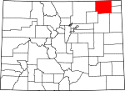
 |  |  |  |  |  |  | (4,779 km2)

Mesa County | 77 | Grand Junction | 1883-02-14 | Split from Gunnison County. | Named for the mesa formations which are widespread through the area. | 146,723 | 3,345.69 sq mi | 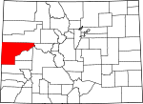
 |  |  |  |  |  |  | (8,665 km2)

Mineral County | 79 | Creede | 1893-03-27 | Split from Hinsdale, Rio Grande, and Saguache counties. | Named from the plentiful mineral deposits found in the area. | 712 | 878.16 sq mi | 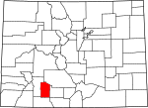
 |  |  |  |  |  |  | (2,274 km2)

Moffat County | 81 | Craig | 1911-02-27 | Split from Routt County. | Named in honor of railroad pioneer David H. Moffat. | 13,795 | 4,755.86 sq mi | 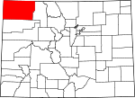
 |  |  |  |  |  |  | (12,318 km2)

Montezuma County | 83 | Cortez | 1889-04-16 | Split from La Plata County. | Named in honor of Aztec leader Moctezuma II. Ruins in the area were once thought to be Aztec. | 25,535 | 2,035.80 sq mi | 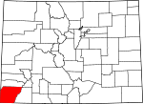
 |  |  |  |  |  |  | (5,273 km2)

Montrose County | 85 | Montrose | 1883-02-11 | Split from Gunnison County. | Named for the town of Montrose, which in turn was probably named from the novel A Legend of Montrose, published in 1819 by Walter Scott. | 41,276 | 2,246.43 sq mi | 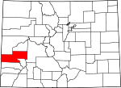
 |  |  |  |  |  |  | (5,818 km2)

Morgan County | 87 | Fort Morgan | 1889-02-19 | Split from Weld County. | Named for old Fort Morgan, which in turn was named in honor of U.S. Army Colonel Christopher A. Morgan. | 28,159 | 1,293.83 sq mi | 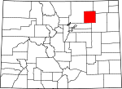
 |  |  |  |  |  |  | (3,351 km2)

Otero County | 89 | La Junta | 1889-03-25 | Split from Bent County. | Named in honor of Miguel A. Otero of the prominent Otero family of the Southwest. | 18,831 | 1,267.66 sq mi | 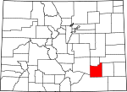
 |  |  |  |  |  |  | (3,283 km2)

Ouray County | 91 | Ouray | 1877-01-18 | Split from Hinsdale and Lake counties. Renamed Uncompaghre County for four days from 1883-02-27, to 1883-03-02. | Named in honor of Ouray, a Ute Native American leader. | 4,436 | 542.30 sq mi | 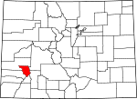
 |  |  |  |  |  |  | (1,405 km2)

Park County | 93 | Fairplay | 1861-11-01 | Created as one of the 17 original counties of the Territory of Colorado. | Named for South Park which occupies most of the county. | 16,206 | 2,209.36 sq mi | 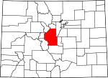
 |  |  |  |  |  |  | (5,722 km2)

Phillips County | 95 | Holyoke | 1889-03-27 | Split from Logan County. | Named in honor of R.O. Phillips, secretary of the Lincoln Land Company, which sold farmsteads in the area. | 4,442 | 688.30 sq mi | 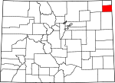
 |  |  |  |  |  |  | (1,783 km2)

Pitkin County | 97 | Aspen | 1881-02-23 | Split from Gunnison County. | Named in honor of Frederick Walker Pitkin, the second Governor of the State of Colorado. | 17,148 | 970.37 sq mi | 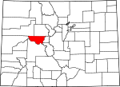
 |  |  |  |  |  |  | (2,513 km2)

Prowers County | 99 | Lamar | 1889-04-11 | Split from Bent County. | Named in honor of John W. Prowers, a pioneer of the Arkansas River valley. | 12,551 | 1,645.37 sq mi | 
 |  |  |  |  |  |  | (4,261 km2)

Pueblo County | 101 | Pueblo | 1861-11-01 | Created as one of the 17 original counties of the Territory of Colorado. | Named for historic town of Pueblo. Pueblo is a Spanish word meaning village or people. | 159,063 | 2,396.77 sq mi | 
 |  |  |  |  |  |  | (6,208 km2)

Rio Blanco County | 103 | Meeker | 1889-03-25 | Split from Garfield County. | Named for the White River, which was originally named Rio Blanco in Spanish. | 6,666 | 3,226.24 sq mi | 
 |  |  |  |  |  |  | (8,356 km2)

Rio Grande County | 105 | Del Norte | 1874-02-10 | Split from Costilla County and Conejos County counties. | Named for the Rio Grande, which flows through the area. | 11,982 | 913.10 sq mi | 
 |  |  |  |  |  |  | (2,365 km2)

Routt County | 107 | Steamboat Springs | 1877-01-29 | Split from Grand County. | Named in honor of John Long Routt, the first Governor of the State of Colorado. | 23,509 | 2,362.11 sq mi | 
 |  |  |  |  |  |  | (6,118 km2)

Saguache County | 109 | Saguache | 1866-12-29 | Split from Lake and Costilla counties. | Name comes from a Ute language noun meaning "sand dunes".[8][9] | 6,108 | 3,168.32 sq mi | 
 |  |  |  |  |  |  | (8,206 km2)

San Juan County | 111 | Silverton | 1876-01-31 | Split from Lake County. | Named for the San Juan River and San Juan Mountains, which in turn were named for Saint John the Evangelist. | 699 | 388.99 sq mi | 
 |  |  |  |  |  |  | (1,007 km2)

San Miguel County | 113 | Telluride | 1883-03-02 | Split from San Juan County. | Named for the San Miguel River and San Miguel Mountains, which in turn were named for Saint Michael the Archangel. | 7,359 | 1,290.76 sq mi | 
 |  |  |  |  |  |  | (3,343 km2)

Sedgwick County | 115 | Julesburg | 1889-04-09 | Split from Logan County. | Named for Fort Sedgwick, which, in turn, was named for U.S. Army General John Sedgwick (1813 - 1864). | 2,379 | 548.83 sq mi | 
 |  |  |  |  |  |  | (1,421 km2)

Summit County | 117 | Breckenridge | 1861-11-01 | Created as one of the 17 original counties of the Territory of Colorado. | Named for the many high mountain summits in the area. | 27,994 | 618.92 sq mi | 
 |  |  |  |  |  |  | (1,603 km2)

Teller County | 119 | Cripple Creek | 1899-03-23 | Split from El Paso and Fremont counties. | Named in honor of Henry Moore Teller, a U.S. Senator from Colorado and United States Secretary of the Interior. | 23,350 | 558.58 sq mi | 
 |  |  |  |  |  |  | (1,447 km2)

Washington County | 121 | Akron | 1887-02-09 | Split from Weld County. | Named in honor of George Washington (1732 - 1799), the first President of the United States. | 4,814 | 2,522.90 sq mi | 
 |  |  |  |  |  |  | (6,534 km2)

Weld County | 123 | Greeley | 1861-11-01 | Created as one of the 17 original counties of the Territory of Colorado. | Named in honor of Lewis Ledyard Weld, the first Secretary of the Territory of Colorado. | 252,825 | 4,013.84 sq mi | 
 |  |  |  |  |  |  | (10,396 km2)

Yuma County | 125 | Wray | 1889-03-15 | Split from Washington County. | Named for the Quechan (Yuma) Nation of Native Americans. | 10,043 | 2,369.61 sq mi | 
 |  |  |  |  |  |  | (6,137 km2)

